National
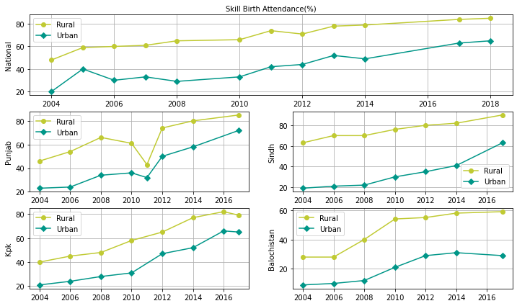
Skill Birth Attendance (Age Wise Ratio)
<20 | 68
20-34 | 70
34-49 | 62

Wealth Wise Overview
 | Lowest | Second | Middle | Fourth | Highest
2006 | 16 | 25 | 36 | 52 | 77
2012 | 29 | 38 | 51 | 69 | 85
2017 | 46 | 58 | 72 | 84 | 93

